Sheet1
 |  |  | APPLIED STATISTICS ASSESMENT

QUESTION 1 |  |  |  |  |  |  |  | QUESTION 2

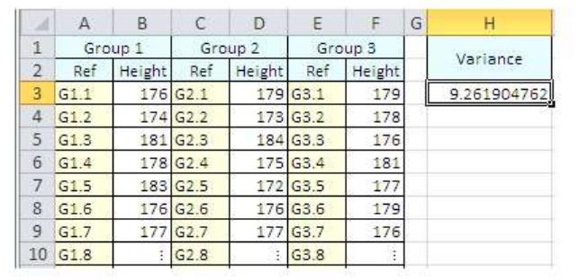
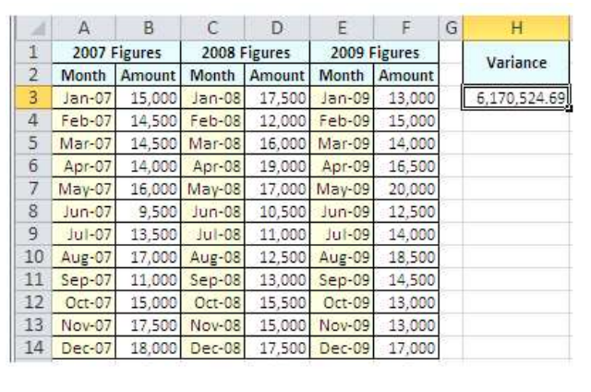

Column1 | Column2 | Column3 | Column4 | Column5 | Column6 | Column7 | Column1 | Column2 | Column3 | Column4 | Column5 | Column6 | Column7 | Column8
Group 1 |  | Group 2 |  | Group 3 |  |  | 2007 Figures |  | 2008 Figures |  | 2009 Figures |  | variance
Ref | Height | Ref | Height | Ref | Height | variance | month | Amount | month | Amount | month | Amount
G1.1 | 176 | G2.1 | 179 | G3.1 | 179 | 9.2619047619 | 2024-01-07 | 15000 | 2024-01-08 | 17500 | 2024-01-09 | 13000 | 6170524.6914
G1.2 | 174 | G2.2 | 173 | G3.2 | 178 | 10.486928105 | 2024-02-07 | 14500 | 2024-02-08 | 12000 | 2024-02-09 | 15000 | 6410468.3196
G1.3 | 181 | G2.3 | 184 | G3.3 | 176 | 10.266666667 | 2024-03-07 | 14500 | 2024-03-08 | 16000 | 2024-03-09 | 14000 | 6782222.2222
G1.4 | 178 | G2.4 | 175 | G3.4 | 181 | 8.0227272727 | 2024-04-07 | 14000 | 2024-04-08 | 19000 | 2024-04-09 | 16500 | 7455418.3813
G1.5 | 183 | G2.5 | 172 | G3.5 | 177 | 8.5 | 2024-05-07 | 16000 | 2024-05-08 | 17000 | 2024-05-09 | 20000 | 7493055.5556
G1.6 | 176 | G2.6 | 176 | G3.6 | 179 | 1.3666666667 | 2024-06-07 | 9500 | 2024-06-08 | 10500 | 2024-06-09 | 12500 | 6681405.8957
G1.7 | 177 | G2.7 | 177 | G3.7 | 176 | 0.33333333333 | 2024-07-07 | 13500 | 2024-07-08 | 11000 | 2024-07-09 | 14000 | 5281635.8025
G1.8 |  | G2.8 |  | G3.8 |  | #DIV/0! | 2024-08-07 | 17000 | 2024-08-08 | 12500 | 2024-08-09 | 18500 | 5060000
 |  |  |  |  |  |  | 2024-09-07 | 11000 | 2024-09-08 | 13000 | 2024-09-09 | 14500 | 4500000
 |  |  |  |  |  |  | 2024-10-07 | 15000 | 2024-10-08 | 15500 | 2024-10-09 | 13000 | 3228395.0617
 |  |  |  |  |  |  | 2024-11-07 | 17500 | 2024-11-08 | 15000 | 2024-11-09 | 13000 | 3138888.8889
 |  |  |  |  |  |  | 2024-12-07 | 18000 | 2024-12-08 | 17500 | 2024-12-09 | 17000 | 166666.66667

